Defect Report
Defect ID | Test Case ID | Defect Summary | Reproduced Step | Test data | Defect Types | Defect Severity | Defect Priority | Expected result | Actual result | Tester Name | Attachments | Status
1 | 4.3 | verify to click on cross(x) icon | 1)Open playstore application 2) Search for the Wynk Application 3) press Install button 4)press open button 5)press on continue with mobile number button 6)press terms of use button 7)click on cross(x) icon | NA | GUI | Low | Low | while clicking on that button it should return to configuration page but since there is a back aero button on the left side to return on previous page, theere is no need of x icon there on right side | while clicking on cross icon it return to previous page but as expected result there is no need of cross icon button there | Vaishnavi Khatri |  | Fail
2 | 4.6 | As per 4.3 |  |  |  |  |  |  |  |  | 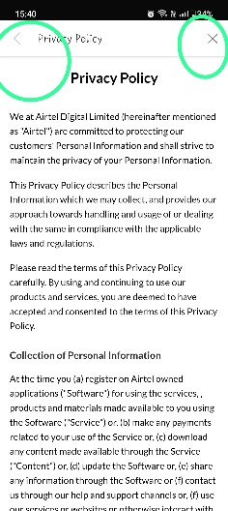 | fail
3 | 4.7 | verify to click on back aero button | 1)Open playstore application 2) Search for the Wynk Application 3) press Install button 4)press open button 5)press on continue with mobile number button 6)click on back aero button to return to the music page | NA | GUI | Low | Low | while clicking on back aero button it should open music page | as per expected result but there is no need of back aero button since there's a skip button on the right side of the screen | Vaishnavi Khatri |  | Fail
4 | 8 | verify to swipe right or left to forward or backward the song while the music is paused | 1)Open playstore application 2) Search for the Wynk Application 3) press Install button 4)press open button 5)press on continue with mobile number button 6)click on skip button to return to the home page 7)click on a song under top search songs to play 8)click on pause button 9)swipe right to forward the song | NA | Functionality | Medium | Medium | while we swip left or right to backward or forward the song while music is paused, the music should be paused until the user plays it manually | while forwarding or backwarding the song the music is played automatically | Vaishnavi Khatri | 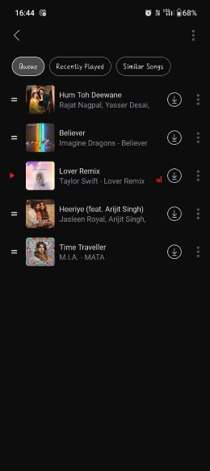 | Fail
5 | 12 | verify to click on insta story to share the song | 1)Open playstore application 2) Search for the Wynk Application 3) press Install button 4)press open button 5)press on continue with mobile number button 6)click on skip button to return to the home page 7)click on a song under top search songs to play 8)click on share menu 9)click on insta story option | NA | functionality | medium | medium | while clicking on insta story option it should open the instagram story page to share the song | while clicking on insta story menu it opens story page but the audio does not support on insta story only link can be shared and you need that application installed in your phone | Vaishnavi Khatri | 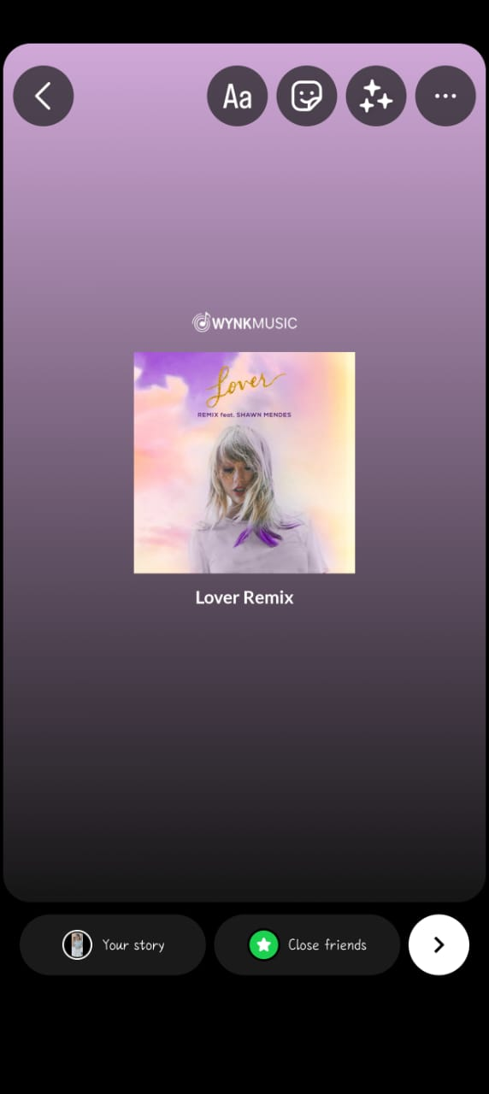 | Fail
6 | 18 | verify to click on queue menu | 1)Open playstore application 2) Search for the Wynk Application 3) press Install button 4)press open button 5)press on continue with mobile number button 6)click on skip button to return to the home page 7)click on a song under top search songs to play 8)click on more option icon 9)click on repeat off menu | NA | Functionality | High | High | while clicking on queue menu it should allow the songs to add in queue | while clicking on queue it does not allow to add the songs to play next | Vaishnavi Khatri |  | Fail
7 | 24 | verify to click on search icon | 1)Open playstore application 2) Search for the Wynk Application 3) press Install button 4)press open button 5)press on continue with mobile number button 6)click on skip button to return to the home page 7)click on search menu | NA | usability | low | low | while clicking on that button it should work properly | while clicking on that icon it is working properly but the search menu should be at the botton of the screen | Vaishnavi Khatri |  | Fail
8 | 33 | verify to click on search icon in notification page | 1)Open playstore application 2) Search for the Wynk Application 3) press Install button 4)press open button 5)press on continue with mobile number button 6)click on skip button to return to the home page 7)click on bell icon 8)click on search icon | NA | usability | Low | Low | while clicking on bell icon it should be only back aero button there. | while clicking on bell icon it should be only back aero button there is no need to have search option in notification page | Vaishnavi Khatri | 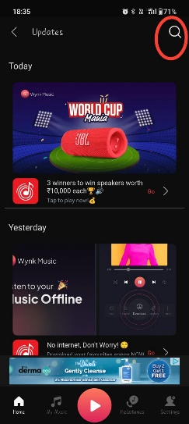 | Fail
9 | 36.2.1 | verify to enter invalid name in full name | 1)Open playstore application 2) Search for the Wynk Application 3) press Install button 4)press open button 5)press on continue with mobile number button 6)click on skip button to return to the home page 7)click on my music menu 8)click on profile icon 9)click on full name box | Full name:%%656 | usability | medium | low | while entering invalid full name it should show validation message | while entering invalid name in full name box it does not show validation message it allows to type anything | Vaishnavi Khatri | 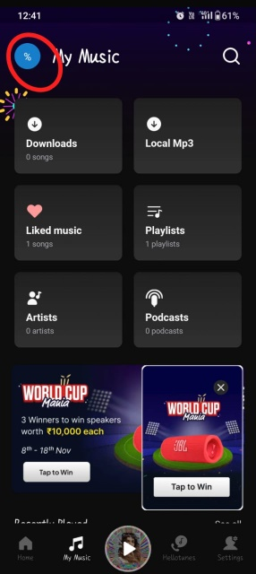 | Fail
10 | 36.4.1 | verify to click on camera option | 1)Open playstore application 2) Search for the Wynk Application 3) press Install button 4)press open button 5)press on continue with mobile number button 6)click on skip button to return to the home page 7)click on my music menu 8)click on profile icon 9)click on pencil icon 10)click on camera option | NA | usability | High | High | while clicking on camera option it should get permission of user to allow wynk to take picture to set on profile page of wynk | while clicking on camera opton it does not take permission of user | Vaishnavi Khatri |  | Fail
11 | 36.4.1 | verify to click on pencil icon | 1)Open playstore application 2) Search for the Wynk Application 3) press Install button 4)press open button 5)press on continue with mobile number button 6)click on skip button to return to the home page 7)click on my music menu 8)click on profile icon 9)click on pencil icon | NA | Functionality | Medium | Medium | whenever i click on pencil icon it should be visible same 3 application option | each time I click on pencil icon it shows different options everytime | Vaishnavi Khatri | 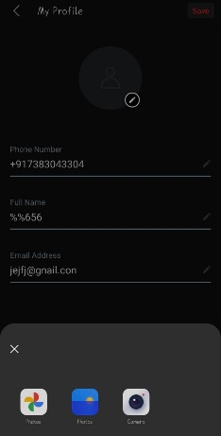 | Fail
12 | 40.3 | verify to click on music language selection menu | 1)Open playstore application 2) Search for the Wynk Application 3) press Install button 4)press open button 5)press on continue with mobile number button 6)click on skip button to return to the home page 7)click on setting menu 8)click on music language(s) | NA | Usability | Medium | Medium | while choosing lnaguages for music it should allow to choose all the optionsof language if user want | user can not choosemore than 4 music languages | Vaishnavi Khatri | 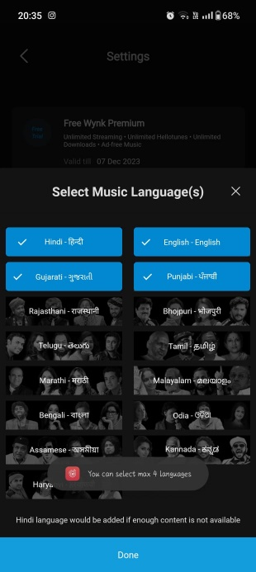 | Fail

